Sheet1
Sorting, Filtering and Tables

Data Handling
Data handling in Excel refers to the process of collecting organising and presenting data in a way that is useful for analysis and decision making .
Some data handling techniques :
Shorting
Filtering
Tables

Shorting
It is the process of arranging records in a specific order ,Either increasing or decreasing .

ex1: | You wish to rearrange these records by EMP name in ascending order.
 | You wish to rearrange these records by salary in descending order.

 | Empid | Emp name | Department | Salary
 | 101 | Ajay | HR | 45000 |  |  | Note: Sorting from the home tab option
 | 102 | Monica | IT | 35000 |  |  | Sorting from the data tab option
 | 103 | Suman | Sales | 45000
 | 104 | Joseph | Marketing | 32000
 | 105 | Sumit | Finance | 15000
 | 106 | john | Sales | 52000
 | 107 | Arun | HR | 25000
 | 108 | Mahesh | IT | 15000
 | 109 | Sunil | Sales | 32000
 | 110 | Gaurav | Finance | 45000

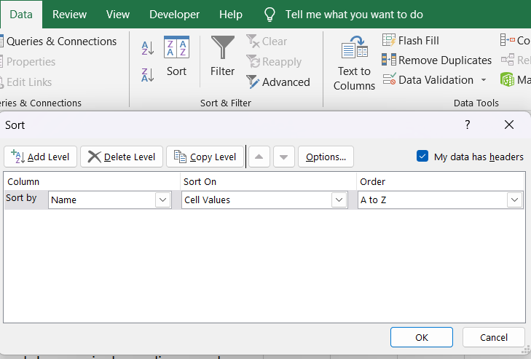
ex2: | You wish to rearrange these records by age in ascending code
 | You wish to rearrange these records by score in descending record

 | Name | Age | Score
 | Alice | 30 | 95 |  | Note: | Sorting from the data tab option
 | Bob | 22 | 77
 | Charlie | 28 | 85
 | John | 25 | 88
 | Lara | 24 | 91

Filtering
It allows users to display some specific subsets of data from a larger dataset based on a user defined condition.

ex: | You wish to view only those employees who has a specific name
 | 1. Who are from the IT department
 | 2. Whose salary is more than 50,000
 | 3. Whose name begins with their specific letter
 | 4. Or the combination of any of these two conditions . |  |  |  |  |  | 2 | 3 | 4 | 4

 | Empid | Emp name | Department | Salary
 | 103 | Suman | Sales | 45000
 | 105 | Sumit | Finance | 15000
 | 109 | Sunil | Sales | 32000

 | Note: use the Filter feature from Home Tab or Data Tab both are same

Tables
Tables can help you save time by automatically providing features such as formatting quick totals shorting and filtering

 | Empid | Emp name | Department | Salary
 | 106 | john | Sales | 52000
 | 101 | Ajay | HR | 45000
 | 110 | Gaurav | Finance | 45000
 | 103 | Suman | Sales | 45000
 | 102 | Monica | IT | 35000
 | 104 | Joseph | Marketing | 32000
 | 109 | Sunil | Sales | 32000
 | 107 | Arun | HR | 25000
 | 108 | Mahesh | IT | 15000
 | 105 | Sumit | Finance | 15000
 | 10 | 10 |  | 34100

Convert table to range:
After you create a table you may only want to keep the table style without the table functionality.
This means you can convert the table to a regular range of data on the worksheet.

 | Empid | Emp name | Department | Salary
 | 106 | john | Sales | 52000
 | 101 | Ajay | HR | 45000
 | 110 | Gaurav | Finance | 45000
 | 103 | Suman | Sales | 45000
 | 102 | Monica | IT | 35000
 | 104 | Joseph | Marketing | 32000
 | 109 | Sunil | Sales | 32000
 | 107 | Arun | HR | 25000
 | 108 | Mahesh | IT | 15000
 | 105 | Sumit | Finance | 15000

